Sheet1
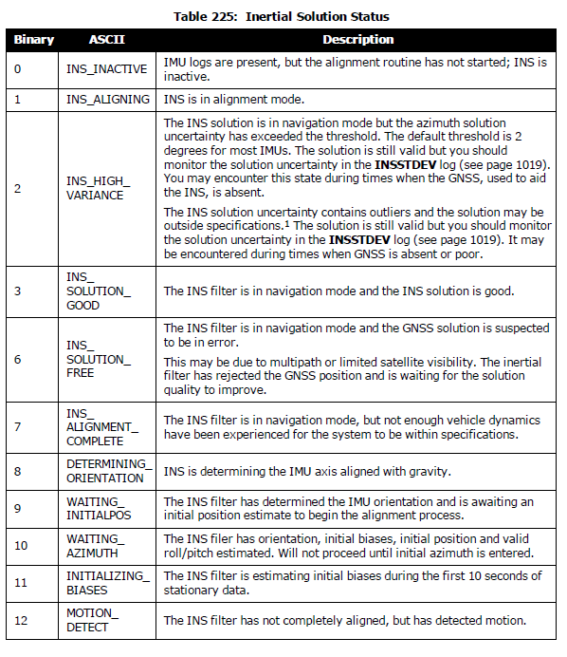
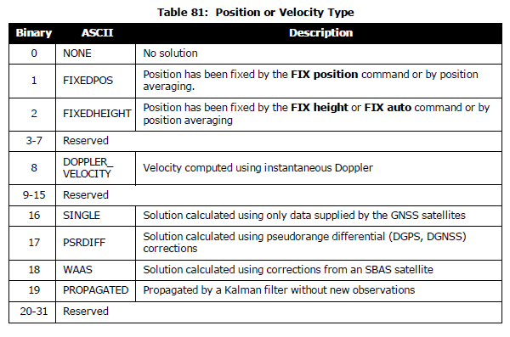
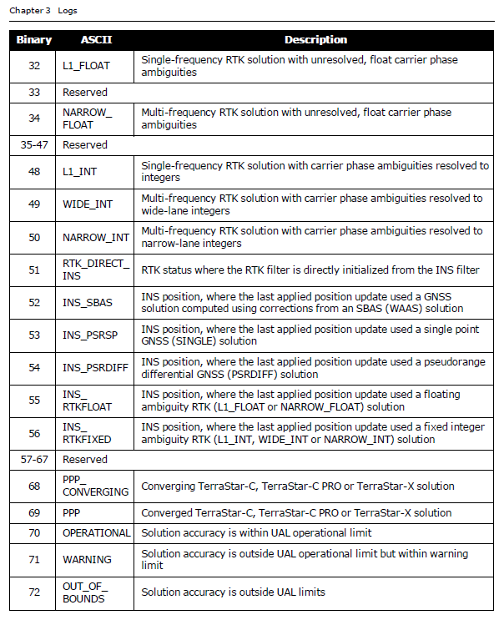
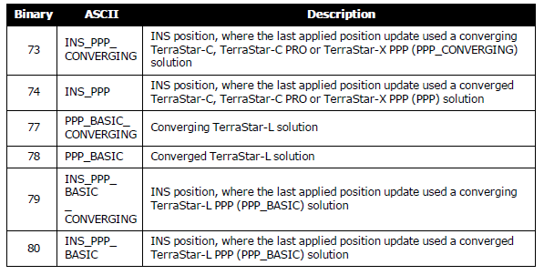
 | GNSS Week | GNSS sec. | Pos Type_GNSS | INS_Status | Pos Type_INS | Lat | Lon | Height | Headging | North Vel | East Vel | Up Vel | Roll | Pitch | Azimuth | Lat σ | Lon σ | Height σ | North Vel σ | East Vel σ | Up Vel σ | Roll σ | Pitch σ | Azimuth σ | Heading σ
String | 2097 | 282691.55 | NARROW_INT | INS_SOLUTION_GOOD | INS_PSRSP | 37.370155525 | 126.72086488 | 10.5229 | 324.87789917 | -0.0011 | -0.0006 | 0.0019 | -0.381361122 | -0.544709959 | 323.99987154 | 0.43 | 0.4258 | 0.6352 | 0.0013 | 0.0013 | 0.0011 | 0.0204 | 0.0205 | 0.0701 | 0.481329292
Digit | 2097 | 282691.55 | 50 | 3 | 53 | 37.370155525 | 126.72086488 | 10.5229 | 324.87789917 | -0.0011 | -0.0006 | 0.0019 | -0.381361122 | -0.544709959 | 323.99987154 | 0.43 | 0.4258 | 0.6352 | 0.0013 | 0.0013 | 0.0011 | 0.0204 | 0.0205 | 0.0701 | 0.481329292

 |  |  |  |  |  |  |  |  |  |  |  | 기본적으로 INSPVAXA log 참조 |  |  | DUALANTENNAHEADING log 참조

